SMAA Memorandum
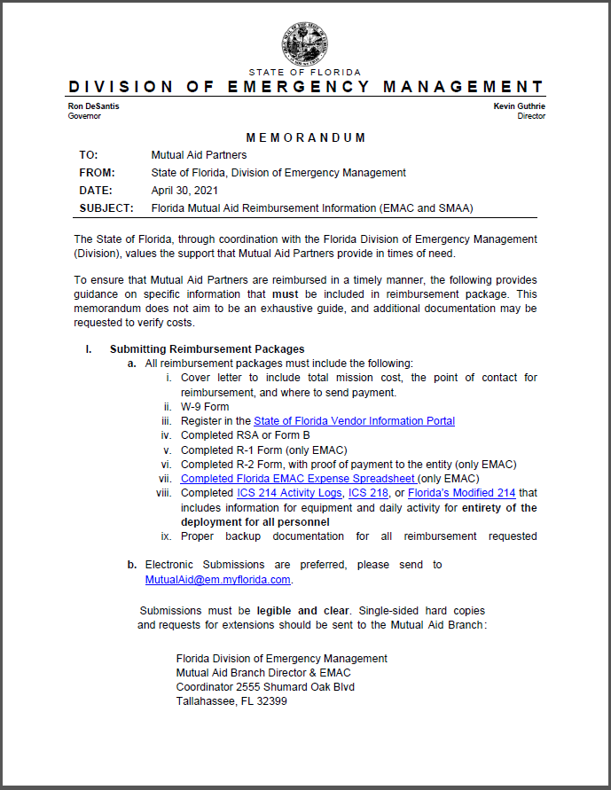

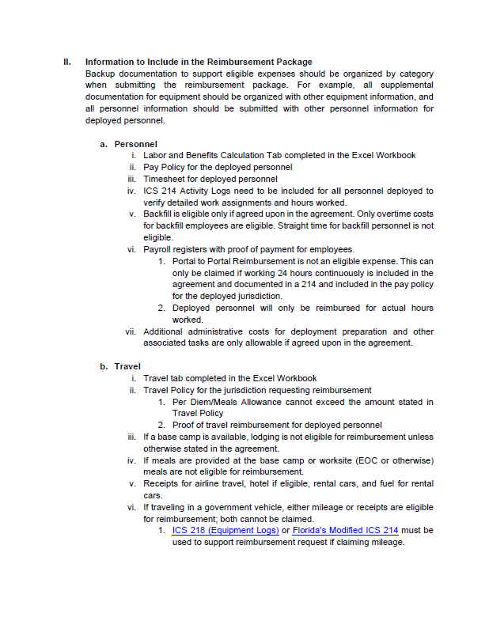

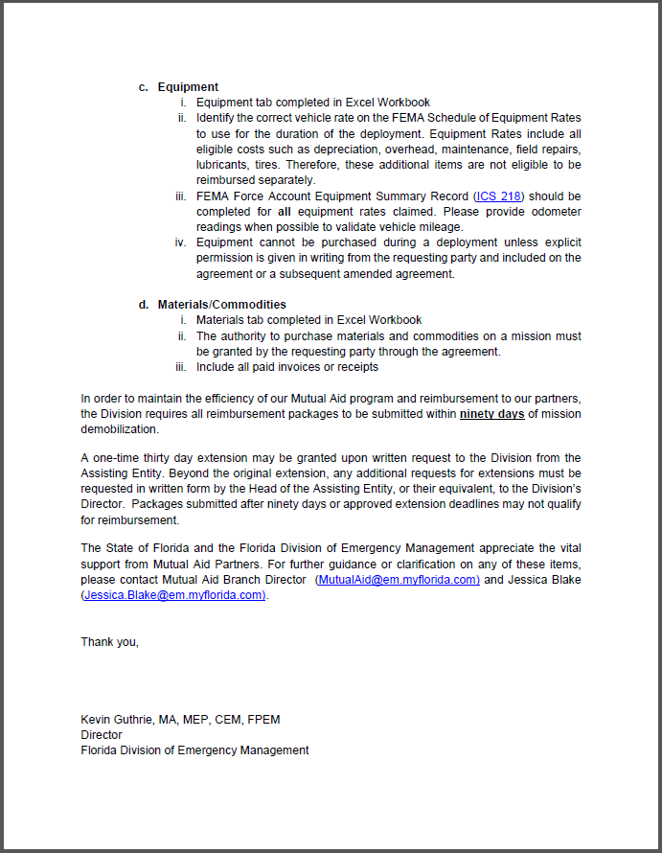

Instructions
Instructions For Completing Claim Package
Be sure to complete the title information at the top of the Summary sheet. If not sure of the assigned mission numbers contact the State Fire Marshall Recovery Manager. BE SURE TO INCLUDE THE DEPARTMENT NAME AND MISSION NUMBER IN THE CLAIM FILE NAME.
Cover Letter (Invoice)
Assisting entity is required to submit a cover letter on letterhead that includes your entity's name, feid #, mission number, and total claim amount. Please be sure to include the name, phone number and email address for the best point of contact to answer questions or provide additional documentation regarding the claim package.
Labor Response
Populate the Regular and Overtime hours for the period being claimed on the respective lines. If special rates or circumstances apply include a copy of the departments policies, bargaining agreements and other supporting documentation to the claim. If the agency is responding to incidents within their own jurisdiction only OT applies. If a working period extends across dates / midnight stop the hours worked for the first date and continue the remaining hours on the next date. Hours must indicate the actual date worked.
Labor Backfill
This sheet captures those individuals who covered the regular shifts for the personnel who deployed on an assigned mission. In most instances departments utilize their off duty employees to backfill positions left uncovered by the responding teams. Note: Normally the cost of backfill is related to the OT cost for coverage by off duty personnel. In some rare circumstances reserve or part time personnel may cover at a regular rate of pay as they do not exceed the OT threshold and should be noted in an attached document.
*ICS 214's required as part of the supporting documentation
Labor Documentation
Required supporting documentation includes individual time sheets for entire pay period in which the response occurred. Payroll that includes the employees identifying information, regular hours worked, overtime hours, leave hours, special pay incentives, etc. A copy of the department's overtime policy and/or bargaining agreement shall be submitted. Station logs, tele staff reports and personnel rosters are required for the pay period as well to document personnel assignments and regular schedules.
Equipment
The documentation of responding and utilized equipment is captured by each item. Refer to the FEMA Equipment Rate tab to determine what fits best. If there is not an actual match to a vehicle type or item contact the SFM Recovery Manager for Assistance. Conventional vehicle mileage is reimbursable at the STATE RATE of $.445 per mile as claims are paid and processed through the State of Florida, the Department of Financial Services who is actual applicant to FEMA for State ESF 4&9, therefore state rates prevail. List the operator name for each vehicle. In all cases include the beginning and ending vehicle mileage on the item line.
Materials
If materials and supplies were purchased in support to the mission Include invoices, purchase orders, bank statements indicating charge cards were paid and any other supporting information. Provide the charge card statement indicating the purchase and th follow month statement indicating the previous charges were paid to the bank. The same pertains to any equipment rented and include a copy of the entire rental agreement. If meals were purchased for the responding personnel attach an explanation to the claim. A meal roster signed by the individuals for each meal is required to accompany the claim.
*ICS 218 required as part of the supporting documentation
Meals provided by the state or another jurisdiction are not eligible for reimbursement by the responding agencies. If meals were purchased during response travel by the responding agency by cash or credit card include the receipt and a meal roster of personnel who were fed. If any actual travel reimbursement is being sought the State Travel Rules and rates apply.
Benefits Calculation
Complete the Benefits Calculation page to indicate the costs for regular and overtime hours. If a department responds outside of their AOR fringe benefits for regular and OT apply. If claim is within the AOR only the cost of OT benefits are eligible. Individual benefit rate percentages are to be included in the labor claim forms.
Required Documentation
Payroll /OT policy
Travel policy
W9
Paystub or file from financial systems that shows breakdown of staff pay, hours, benefits, payroll period
Travel claims (include proof that employee was paid for claimed travel, meals, per diem)
Contracted services: Agreement and proof of payment
Receipts for all purchases claimed in the reimbursment pkg
Form B (signed copy) and any amendments
Anything you claim MUST have proof of payment attached
ICS Forms (i.e. ICS214 for personnel , ICS218 for owned equipment used on deplolyment, etc...)

